GSP Groups
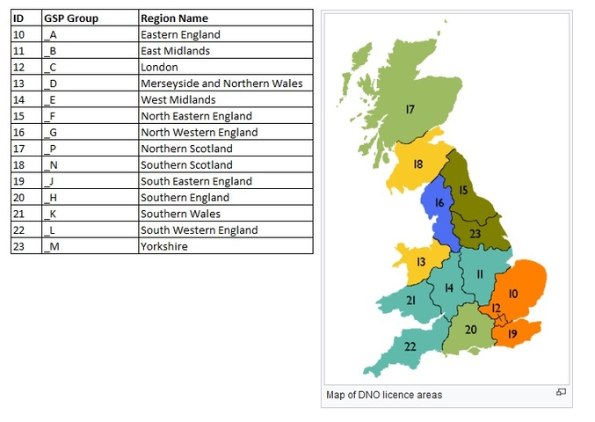
GSP Groups

ID | GSP Group Id | GSP Group Name
10 | _A | Eastern England
11 | _B | East Midlands
12 | _C | London
13 | _D | Merseyside and Northern Wales
14 | _E | West Midlands
15 | _F | North Eastern England
16 | _G | North Western England
17 | _P | Northern Scotland
18 | _N | Southern Scotland
19 | _J | South Eastern England
20 | _H | Southern England
21 | _K | Southern Wales
22 | _L | South Western England
23 | _M | Yorkshire

Boundaries
GB NETS boundaries (National Grid ESO)

 |  |  | BZONE TRANSMISSION CAPACITY (MW)
BZONE | BZONE GENERATION | BZONE DEMAND | Z1 | Z2 | Z3 | Z4 | Z5 | Z6 | Z7 | Z8 | Z9 | Z10 | Z11 | Z12 | Z13 | Z14 | Z15 | Z16 | Z17
Z1 | 15000 | 5000 | NaN | 1920 | 0 | 1180 | 0 | 0 | 0 | 0 | 0 | 0 | 0 | 0 | 0 | 0 | 0 | 0 | 0
Z2 | 15000 | 5000 | 1920 | NaN | 0 | 1920 | 0 | 0 | 0 | 0 | 0 | 0 | 0 | 0 | 0 | 0 | 0 | 0 | 0
Z3 | 15000 | 5000 | 0 | 0 | NaN | 140 | 280 | 770 | 0 | 0 | 0 | 0 | 0 | 0 | 0 | 0 | 0 | 0 | 0
Z4 | 15000 | 5000 | 1180 | 1920 | 140 | NaN | 3100 | 0 | 0 | 0 | 0 | 0 | 0 | 0 | 0 | 0 | 0 | 0 | 0
Z5 | 15000 | 5000 | 0 | 0 | 280 | 3100 | NaN | 3100 | 0 | 0 | 0 | 0 | 0 | 0 | 0 | 0 | 0 | 0 | 0
Z6 | 15000 | 5000 | 0 | 0 | 770 | 0 | 3100 | NaN | 2800 | 0 | 2250 | 0 | 0 | 0 | 0 | 0 | 0 | 0 | 0
Z7 | 20000 | 9000 | 0 | 0 | 0 | 0 | 0 | 2800 | NaN | 2800 | 1400 | 0 | 0 | 0 | 0 | 0 | 0 | 0 | 0
Z8 | 20000 | 9000 | 0 | 0 | 0 | 0 | 0 | 0 | 2800 | NaN | 3980 | 4240 | 0 | 0 | 0 | 0 | 0 | 0 | 0
Z9 | 17500 | 19000 | 0 | 0 | 0 | 0 | 0 | 2250 | 1400 | 3980 | NaN | 0 | 2800 | 0 | 0 | 0 | 0 | 0 | 0
Z10 | 20000 | 9000 | 0 | 0 | 0 | 0 | 0 | 0 | 0 | 4240 | 0 | NaN | 1400 | 4200 | 0 | 0 | 0 | 0 | 0
Z11 | 17500 | 19000 | 0 | 0 | 0 | 0 | 0 | 0 | 0 | 0 | 2800 | 1400 | NaN | 1400 | 1400 | 0 | 0 | 0 | 0
Z12 | 7500 | 4000 | 0 | 0 | 0 | 0 | 0 | 0 | 0 | 0 | 0 | 4200 | 1400 | NaN | 1400 | 4200 | 1400 | 0 | 0
Z13 | 14000 | 17500 | 0 | 0 | 0 | 0 | 0 | 0 | 0 | 0 | 0 | 0 | 1400 | 1400 | NaN | 0 | 0 | 2800 | 1400
Z14 | 14000 | 17500 | 0 | 0 | 0 | 0 | 0 | 0 | 0 | 0 | 0 | 0 | 0 | 4200 | 0 | NaN | 6560 | 1400 | 0
Z15 | 14000 | 17500 | 0 | 0 | 0 | 0 | 0 | 0 | 0 | 0 | 0 | 0 | 0 | 1400 | 0 | 6560 | NaN | 1400 | 0
Z16 | 14000 | 17500 | 0 | 0 | 0 | 0 | 0 | 0 | 0 | 0 | 0 | 0 | 0 | 0 | 2800 | 1400 | 1400 | NaN | 1400
Z17 | 14000 | 17500 | 0 | 0 | 0 | 0 | 0 | 0 | 0 | 0 | 0 | 0 | 0 | 0 | 1400 | 0 | 0 | 1400 | NaN

https://www.nationalgrideso.com/research-and-publications/electricity-ten-year-statement-etys/electricity-transmission-network
https://www.emfs.info/what/terminology/#:~:text=A%20400%20kV%20National%20Grid,a%20power%20of%20700%20MW

BZONE TRANSMISSION CAPACITY (MW): National Grid circuit

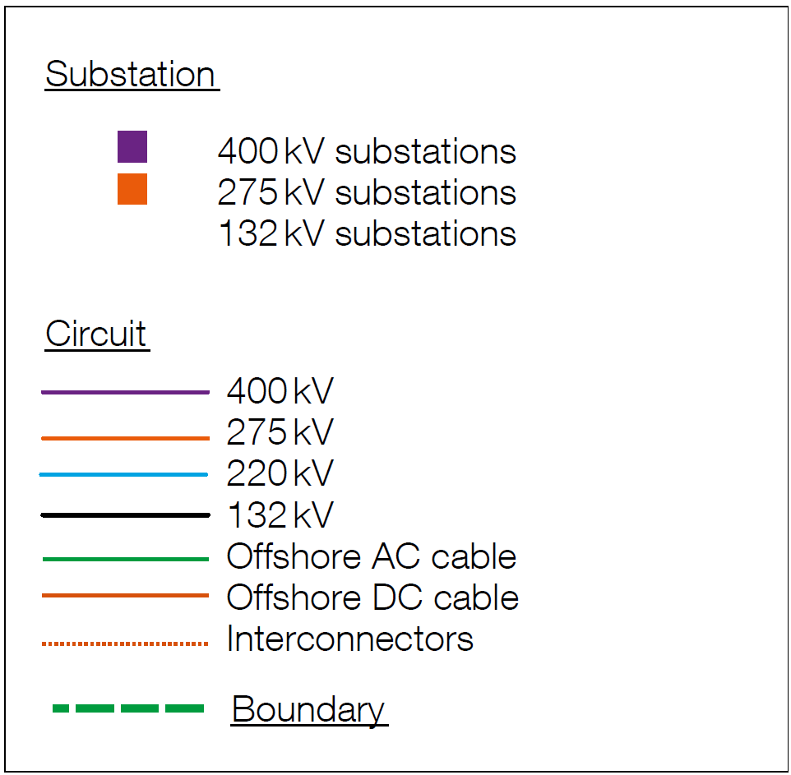
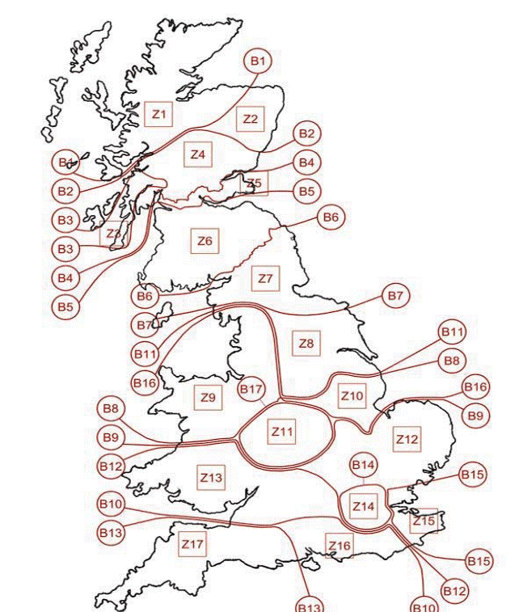
400 kV | 700 MW | may carry 1 kA in each of its three phases, thus transmitting a power of 700 MW.
275 kV | 480 MW
220 kV | 385 MW
132 kV | 70 MW | may carry 300 A in each of its three phases, thus transmitting a power of 70 MW
11 kV | 3 MW | may carry 150 A in each of its three phases, thus transmitting a power of 3 MW

 | *These voltages are phase-to-phase voltages, the phase-to-earth voltages are 1.73 times lower: (400 kV/1.73) x 1kA x 3 = 700 MW.)

